GUI CGI SPEC
Xmind
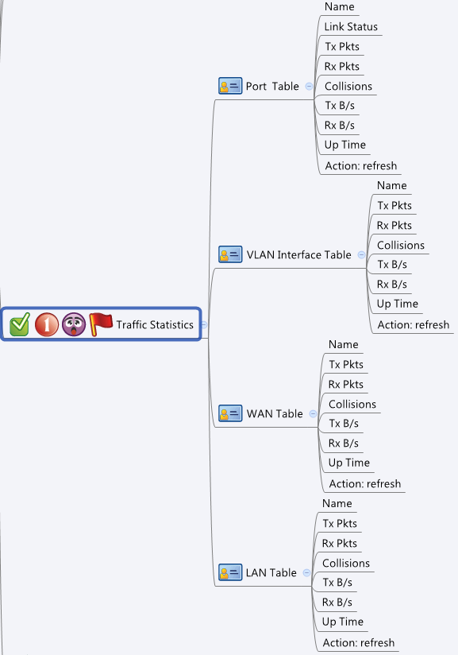

Behavior
# Auto refresh every 10 sec
# When press "Refresh" button, GET cgi again for new data
# Limitations: Max Port Table Size = 8
# Limitations: Max VLAN Table Size = 128
# Limitations: Max WAN Table Size = 6
# Limitations: Max LAN Table Size = 32
[UI Display Name] | [CGI Name] | [JSON Name] | [Description]
Port Table:
Name | trafficStatisticsPort.cgi | guiTrafficStatisticsPort.name | String, GE1~GE8
Link Status | trafficStatisticsPort.cgi | guiTrafficStatisticsPort.linkStatus | 0: Down, 1: Up
Tx Pkts | trafficStatisticsPort.cgi | guiTrafficStatisticsPort.txPkts | Int
Rx Pkts | trafficStatisticsPort.cgi | guiTrafficStatisticsPort.rxPkts | Int
Collisions | trafficStatisticsPort.cgi | guiTrafficStatisticsPort.collisions | Int
Tx B/s | trafficStatisticsPort.cgi | guiTrafficStatisticsPort.txBps | Int
Rx B/s | trafficStatisticsPort.cgi | guiTrafficStatisticsPort.rxBps | Int
Up Time | trafficStatisticsPort.cgi | guiTrafficStatisticsPort.uptime | String, formated time (XX days hh:mm:ss)

VLAN Interface Table:
Name | trafficStatisticsVlan.cgi | guiTrafficStatisticsVlan.name | String, name of a VLAN object
Tx Pkts | trafficStatisticsVlan.cgi | guiTrafficStatisticsVlan.txPkts | Int
Rx Pkts | trafficStatisticsVlan.cgi | guiTrafficStatisticsVlan.rxPkts | Int
Collisions | trafficStatisticsVlan.cgi | guiTrafficStatisticsVlan.collisions | Int
Tx B/s | trafficStatisticsVlan.cgi | guiTrafficStatisticsVlan.txBps | Int
Rx B/s | trafficStatisticsVlan.cgi | guiTrafficStatisticsVlan.rxBps | Int
Up Time | trafficStatisticsVlan.cgi | guiTrafficStatisticsVlan.uptime | String, formated time (XX days hh:mm:ss)

WAN Interface Table:
Name | trafficStatisticsWan.cgi | guiTrafficStatisticsWan.name | String, name of a WAN object
Tx Pkts | trafficStatisticsWan.cgi | guiTrafficStatisticsWan.txPkts | Int
Rx Pkts | trafficStatisticsWan.cgi | guiTrafficStatisticsWan.rxPkts | Int
Collisions | trafficStatisticsWan.cgi | guiTrafficStatisticsWan.collisions | Int
Tx B/s | trafficStatisticsWan.cgi | guiTrafficStatisticsWan.txBps | Int
Rx B/s | trafficStatisticsWan.cgi | guiTrafficStatisticsWan.rxBps | Int
Up Time | trafficStatisticsWan.cgi | guiTrafficStatisticsWan.uptime | String, formated time (XX days hh:mm:ss)

LAN Interface Table:
Name | trafficStatisticsLan.cgi | guiTrafficStatisticsLan.name | String, name of a LAN object
Tx Pkts | trafficStatisticsLan.cgi | guiTrafficStatisticsLan.txPkts | Int
Rx Pkts | trafficStatisticsLan.cgi | guiTrafficStatisticsLan.rxPkts | Int
Collisions | trafficStatisticsLan.cgi | guiTrafficStatisticsLan.collisions | Int
Tx B/s | trafficStatisticsLan.cgi | guiTrafficStatisticsLan.txBps | Int
Rx B/s | trafficStatisticsLan.cgi | guiTrafficStatisticsLan.rxBps | Int
Up Time | trafficStatisticsLan.cgi | guiTrafficStatisticsLan.uptime | String, formated time (XX days hh:mm:ss)

JSON String
trafficStatisticsPort.cgi
## GET ##
{
"guiTrafficStatisticsPortT": [
{
"name": "GE1",
"linkStatus": "Up",
"txPkts": 100,
"rxPkts": 200,
"collisions": 0,
"txBps": 9,
"rxBps": 9,
"uptime": "1 days 00:01:02"
},
{
"name": "GE2",
"linkStatus": "Down",
"txPkts": 0,
"rxPkts": 0,
"collisions": 0,
"txBps": 0,
"rxBps": 0,
"uptime": "0 days 00:00:00"
}
]
}

trafficStatisticsWan.cgi
## GET ##
{
"guiTrafficStatisticsWanT": [
{
"name": "WAN1",
"txPkts": 100,
"rxPkts": 200,
"collisions": 0,
"txBps": 9,
"rxBps": 9,
"uptime": "1 days 00:01:02"
}
]
}

trafficStatisticsVlan.cgi
## GET ##
{
"guiTrafficStatisticsVlanT": [
{
"name": "GE8.9",
"txPkts": 199,
"rxPkts": 299,
"collisions": 0,
"txBps": 99,
"rxBps": 99,
"uptime": "9 days 09:09:09"
}
]
}

trafficStatisticsLan.cgi
## GET ##
{
"guiTrafficStatisticsVlanT": [
{
"name": "DEFAULT",
"txPkts": 2010,
"rxPkts": 10,
"collisions": 6,
"txBps": 20,
"rxBps": 25,
"uptime": "9 days 09:09:09"
}
]
}

